Index
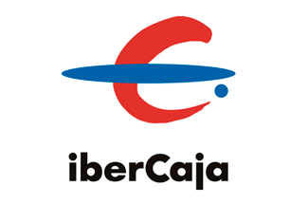
FINANCIAL INFORMATION
1Q2023 Results

Main Figures
P&L Account
Net Fee Income
Balance Sheet
Balance Sheet Summary
Customer Funds
Loans to Customers
Asset Quality
Liquidity
Solvency
Glossary

